Specification
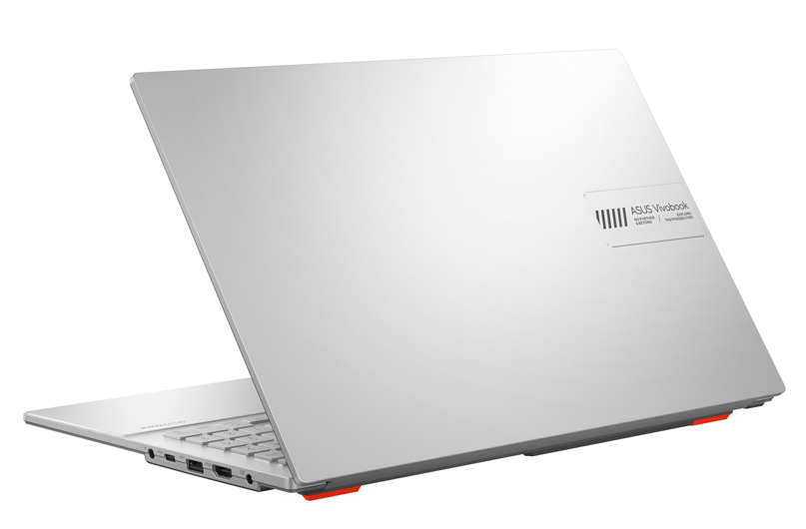

Part No | 90NB0ZT1-M021W0
Sales Model Name | E1504GA-BQ1141W
EAN Code | 4711636038089
UPC Code | 199291038080
WEEE | 1.27
BASE UNIT | VSNB0ZT1-BU2000

Marketing Name | ASUS Vivobook Go 15
Operating System | Windows 11 Home - ASUS recommends Windows 11 Pro for business
Office | 1-month trial for new Microsoft 365 customers. Credit card required.
LCD cover-material | Plastic
LCD cover-color | Cool Silver
Top case-material | Plastic
Top case-color | Cool Silver
Keyboard color | Gray
Bottom case-material | Plastic
Bottom case-color | Cool Silver
Military grade | US MIL-STD 810H military-grade standard
Touch Panel | Non-touch screen
Panel Size | 15.6-inch
Resolution | FHD (1920 x 1080) 16:9 aspect ratio
LED Backlit Unit | LED Backlit
IPS-level | IPS-level Panel
Refresh rate | 60Hz refresh rate
Brightness | 250nits
Color gamut | 45% NTSC color gamut
Glare | Anti-glare display
TÜV Rheinland-certified | TÜV Rheinland-certified
Screen-to-body ratio | 84%
Processor | Intel® Core™ i3-N305 Processor 1.8 GHz (6MB Cache, up to 3.8 GHz, 8 cores, 8 Threads)
Chipset | N/A
Discrete/Share | Share
Intergrated GPU | Intel® UHD Graphics
Disclaimer for Intel Iris Xe | *Intel Iris Xᵉ Graphics is only available in models with Intel® Core™ i5/i7/i9 processors with up to 80 graphics execution units (EUs) and dual-channel memory.
Expansion Slot(includes used) | 1x M.2 2280 PCIe 3.0x2 (SSD SKU only)
On board memory | 8GB DDR4 on board
Total System Memory | DDR4 8GB
How to upgrade memory | Not Available
Storage | 256G UFS 2.1
Front-facing camera | 720p HD camera ; With privacy shutter
Wireless | Wi-Fi 6E(802.11ax) (Dual band) 1*1 + Bluetooth® 5.3 Wireless Card (*Bluetooth® version may change with OS version different.)
Keyboard type | Chiclet Keyboard
Touchpad | Precision touchpad
FingerPrint | N/A
I/O ports | 1x USB 2.0 Type-A (data speed up to 480Mbps) 1x USB 3.2 Gen 1 Type-A (data speed up to 5Gbps) 1x USB 3.2 Gen 1 Type-C (data speed up to 5Gbps) 1x HDMI 1.4 1x 3.5mm Combo Audio Jack 1x DC-in
Audio | Built-in speaker Built-in array microphone
Voice control | with Cortana voice-recognition support
Power | ø4.5, 45W AC Adapter, Output: 19V DC, 2.37A, 45W, Input: 100~240V AC 50/60Hz universal
Battery | 42WHrs, 3S1P, 3-cell Li-ion
Replaceable Battery | No
Dimension (W x H x D) | 36.03 x 23.25 x 1.79 ~ 1.79 cm (14.19" x 9.15" x 0.70" ~ 0.70")
Weight (with Battery) | 1.63 kg (3.59 lbs)
Weight (without Battery) | 1.47 kg (3.24 lbs)
Antivirus | McAfee® 30 days free trial
Security | McAfee® Trusted Platform Module (Firmware TPM)
MyASUS feature | System diagnosis Battery health charging Splendid Tru2Life Function key lock WiFi SmartConnect TaskFirst Live update AI Noise Canceling
Built-in Apps | MyASUS ScreenXpert GlideX
Ecolabels & Compliances | RoHS REACH
Reparability Index (for France) | 8.8

